Script
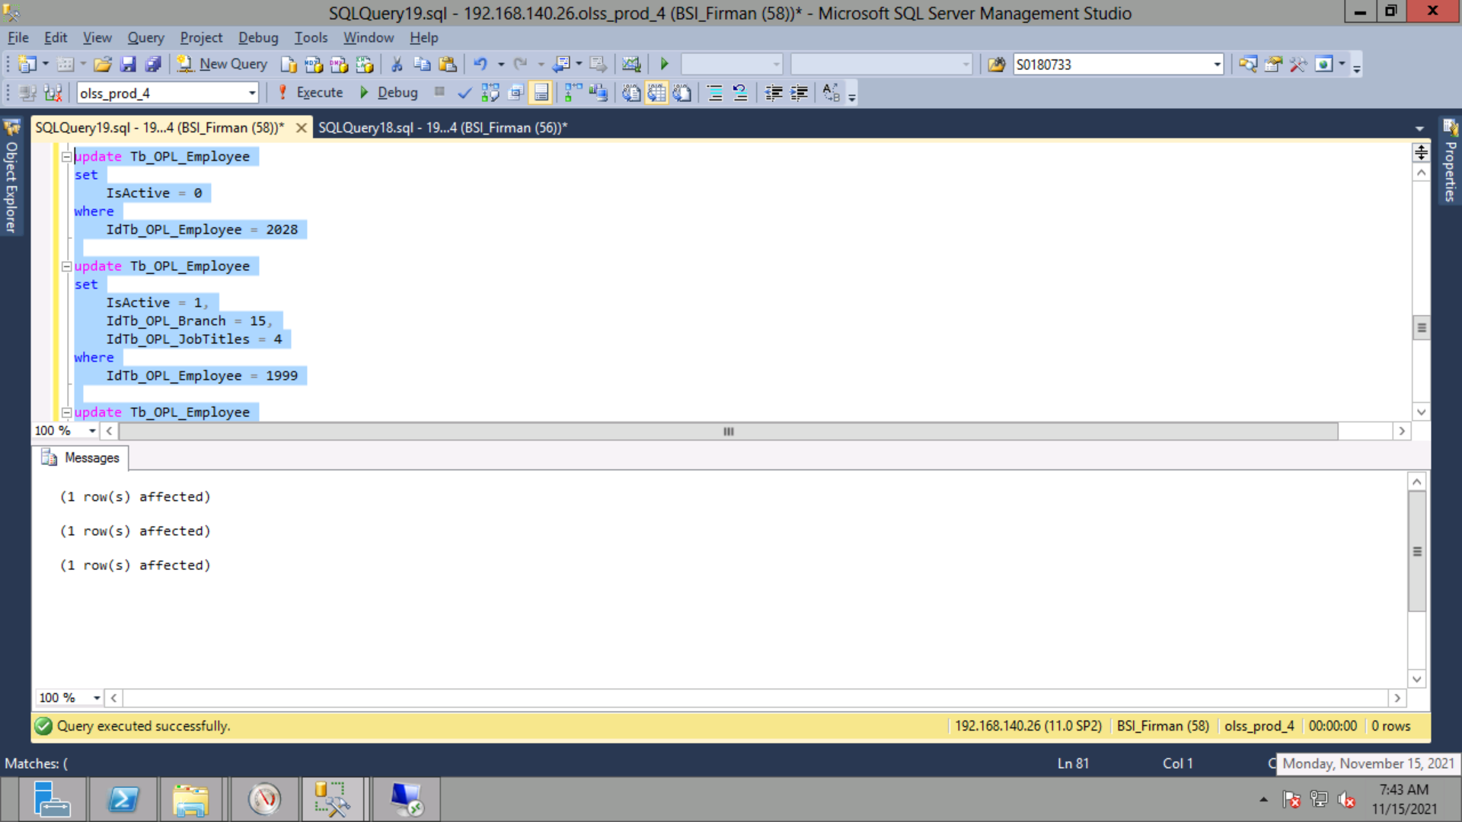
update Tb_OPL_Employee
set
 | IsActive = 0
where
 | IdTb_OPL_Employee = 2028

update Tb_OPL_Employee
set
 | IsActive = 1,
 | IdTb_OPL_Branch = 15,
 | IdTb_OPL_JobTitles = 4
where
 | IdTb_OPL_Employee = 1999

update Tb_OPL_Employee
set
 | IsActive = 1,
 | IdTb_OPL_Branch = 6,
 | IdTb_OPL_JobTitles = 4
where
 | IdTb_OPL_Employee = 44

